TETRA RAILS FIBERGLASS
SKU Code | Photo | Price | Yellow | Red | Blue | Black | Fluo Or. | Burnt Or. | Fluo Gr. | Green | D. Green | Fluo Pi. | Violet | Purple | White | Quantity | Total ex.
TETRA RAILS FIBERGLASS
T1 | 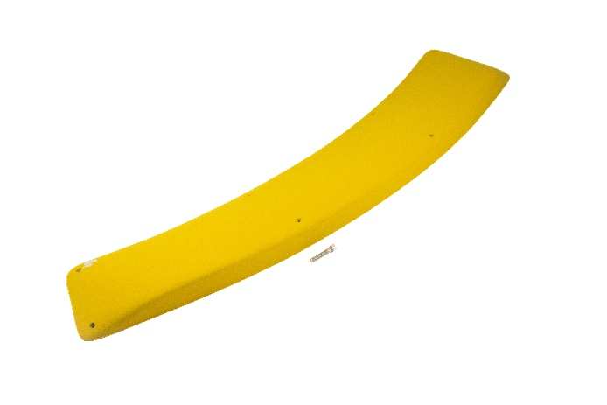 | $535.00 |  |  |  |  |  |  |  |  |  |  |  |  |  | 0 | $0.00
T2 | 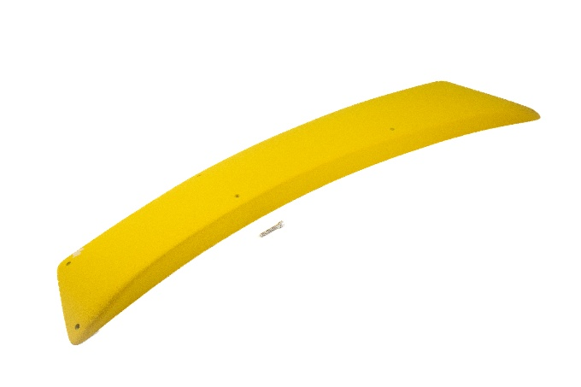 | $590.00 |  |  |  |  |  |  |  |  |  |  |  |  |  | 0 | $0.00
T3 | 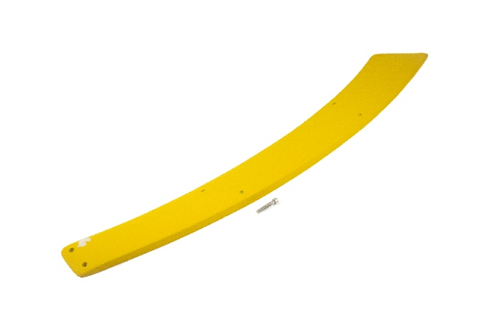 | $515.00 |  |  |  |  |  |  |  |  |  |  |  |  |  | 0 | $0.00
T4 | 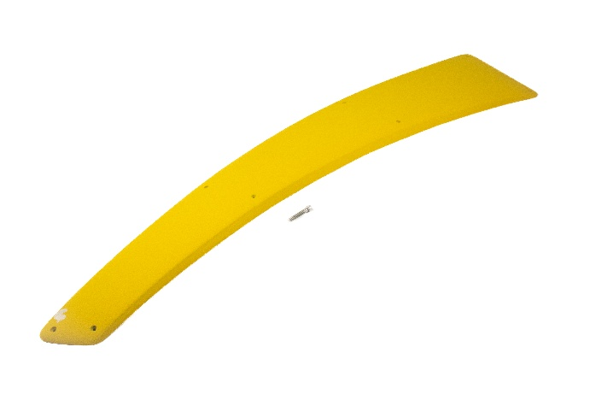 | $480.00 |  |  |  |  |  |  |  |  |  |  |  |  |  | 0 | $0.00
T5 | 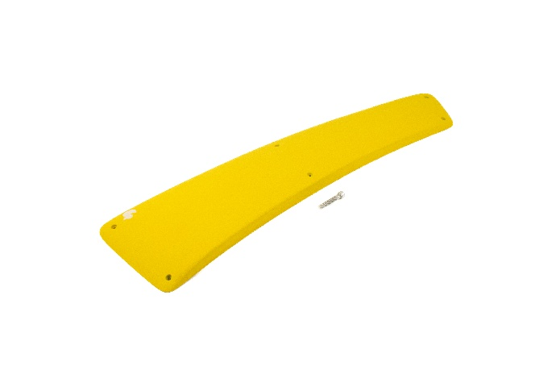 | $380.00 |  |  |  |  |  |  |  |  |  |  |  |  |  | 0 | $0.00
T6 | 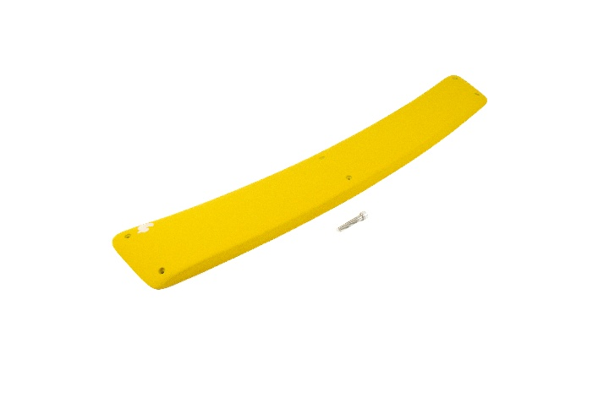 | $365.00 |  |  |  |  |  |  |  |  |  |  |  |  |  | 0 | $0.00
T7 | 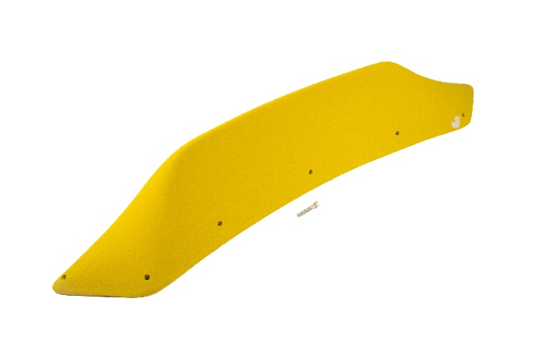 | $525.00 |  |  |  |  |  |  |  |  |  |  |  |  |  | 0 | $0.00
T8 | 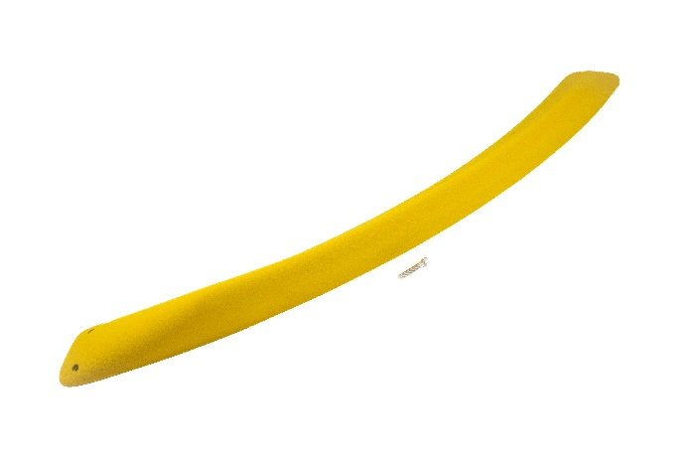 | $495.00 |  |  |  |  |  |  |  |  |  |  |  |  |  | 0 | $0.00
T9 | 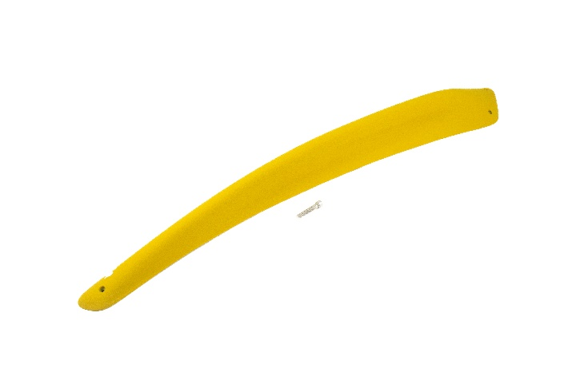 | $395.00 |  |  |  |  |  |  |  |  |  |  |  |  |  | 0 | $0.00
T10 | 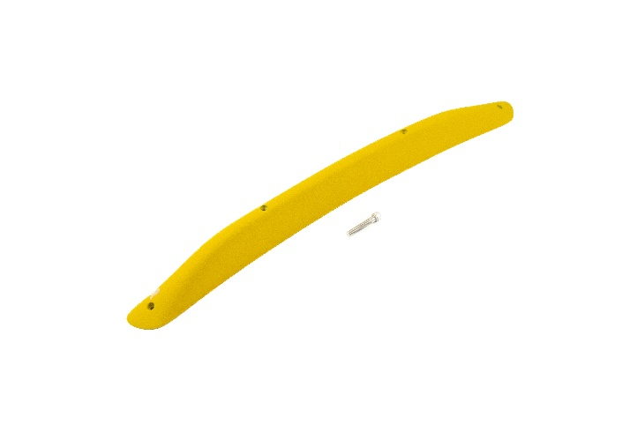 | $335.00 |  |  |  |  |  |  |  |  |  |  |  |  |  | 0 | $0.00
T11 | 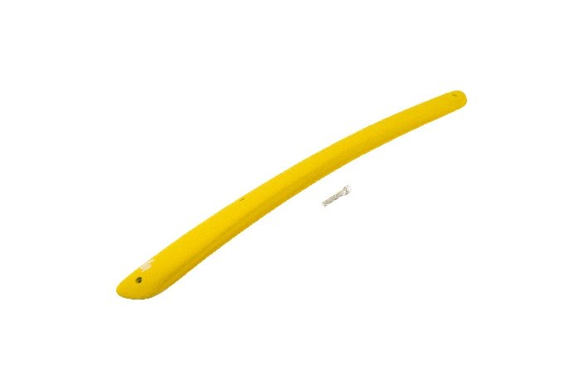 | $335.00 |  |  |  |  |  |  |  |  |  |  |  |  |  | 0 | $0.00
T12 | 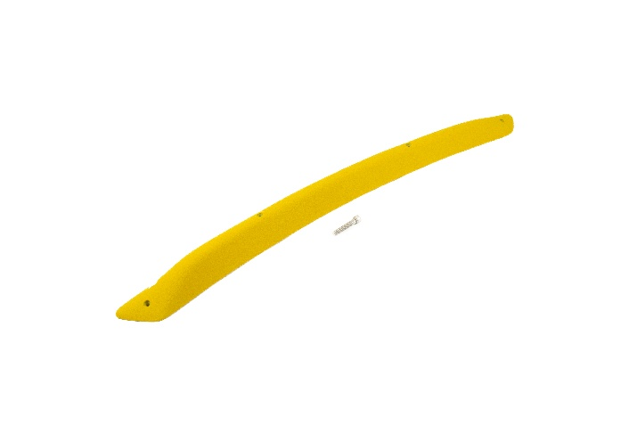 | $325.00 |  |  |  |  |  |  |  |  |  |  |  |  |  | 0 | $0.00
T13 | 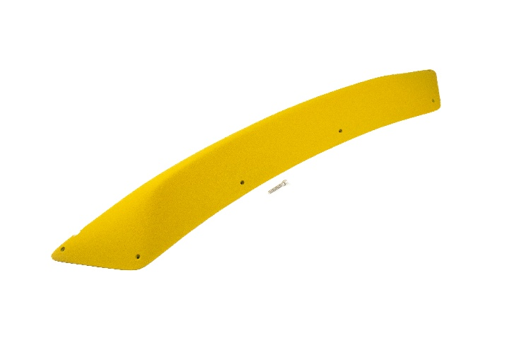 | $545.00 |  |  |  |  |  |  |  |  |  |  |  |  |  | 0 | $0.00
T14 | 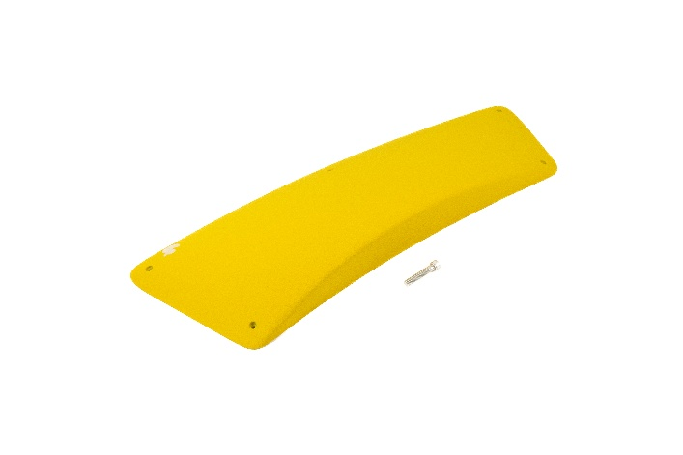 | $355.00 |  |  |  |  |  |  |  |  |  |  |  |  |  | 0 | $0.00
T15 | 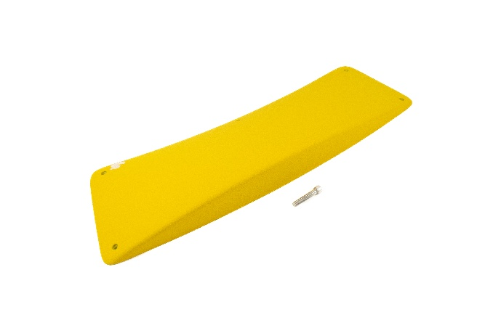 | $375.00 |  |  |  |  |  |  |  |  |  |  |  |  |  | 0 | $0.00
T16 | 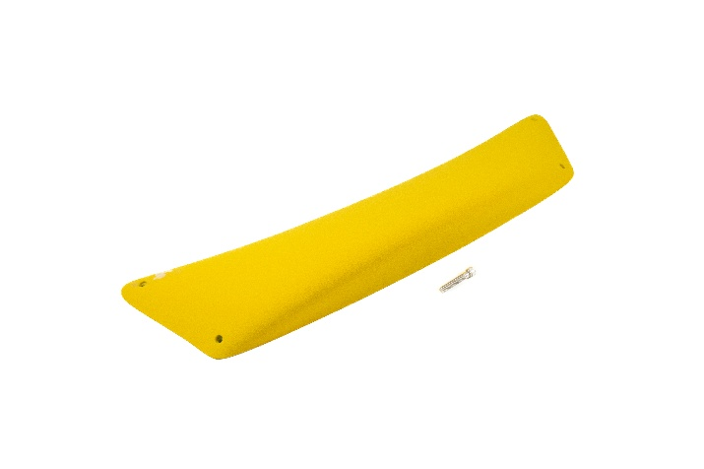 | $375.00 |  |  |  |  |  |  |  |  |  |  |  |  |  | 0 | $0.00
T17 | 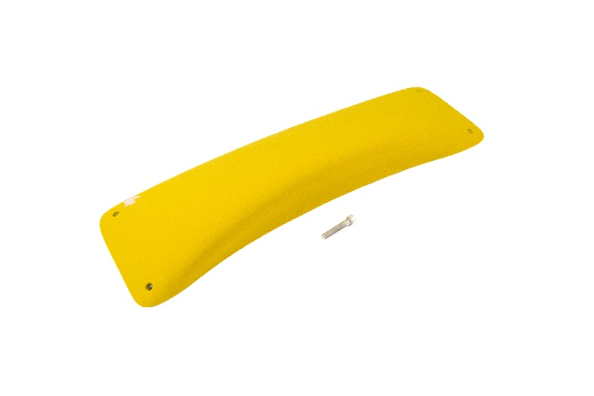 | $345.00 |  |  |  |  |  |  |  |  |  |  |  |  |  | 0 | $0.00
T18 | 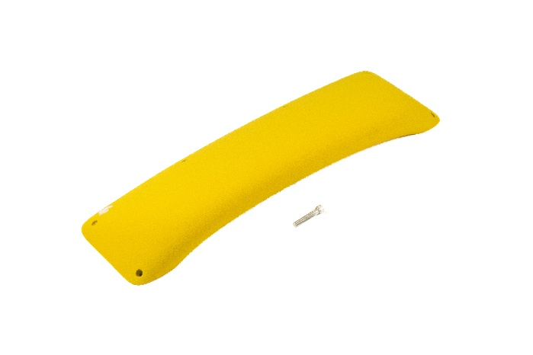 | $390.00 |  |  |  |  |  |  |  |  |  |  |  |  |  | 0 | $0.00
T19 | 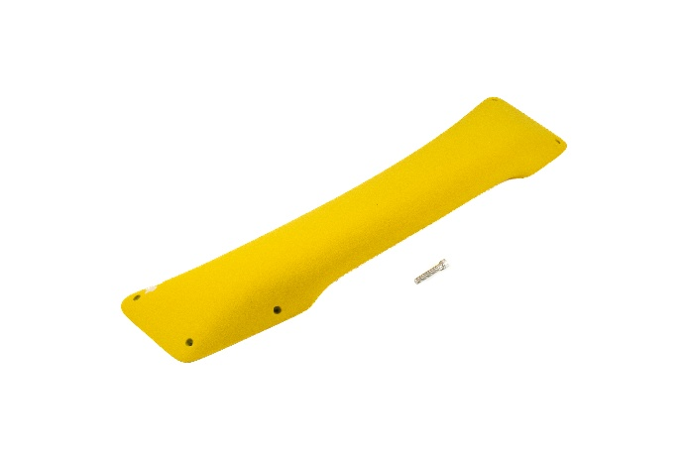 | $395.00 |  |  |  |  |  |  |  |  |  |  |  |  |  | 0 | $0.00
T20 | 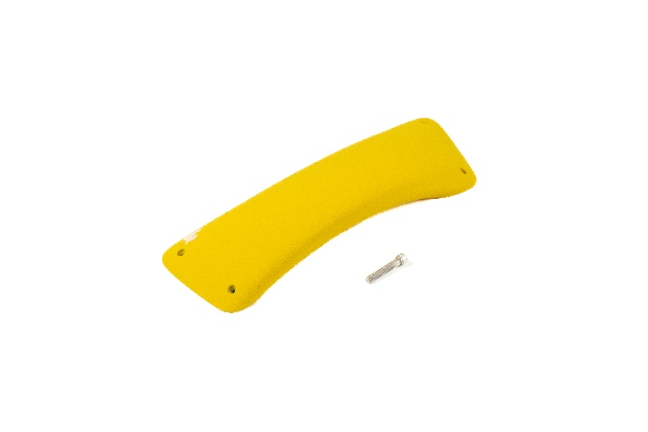 | $300.00 |  |  |  |  |  |  |  |  |  |  |  |  |  | 0 | $0.00
Totals |  | $8,355.00 | 0 | 0 | 0 | 0 | 0 | 0 | 0 | 0 | 0 | 0 | 0 | 0 | 0 | 0 | $0.00

THE DROP PU
Set Discription | Photo | Set Size | SKU Code | Price | Yellow | Red | Blue | Black | Fluo Or. | Burnt Or. | Fluo Gr. | Green | Dark Green | Fluo Pink | Violet | Purple | White | Hold Quantity | Total ex.
THE DROP PU
XXL Rounded Slopers | 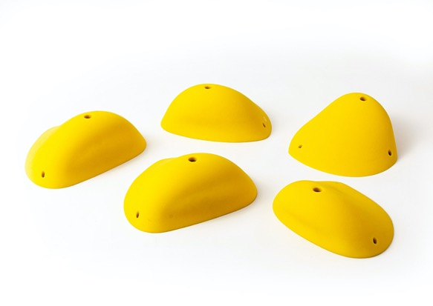 | 5 | RD 10 | $590.00 |  |  |  |  |  |  |  |  |  |  |  |  |  | 0 | $0.00
Large Rounded Incuts | 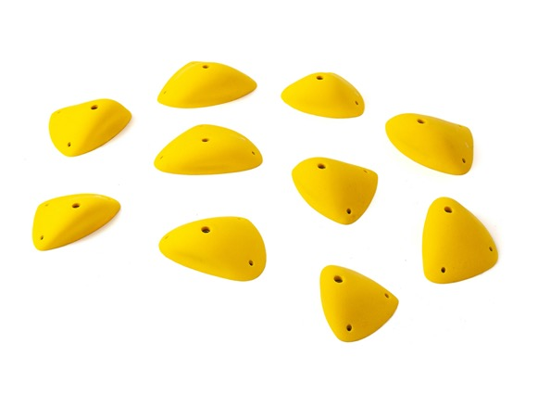 | 10 | RD 20 | $650.00 |  |  |  |  |  |  |  |  |  |  |  |  |  | 0 | $0.00
Medium Deep Incuts | 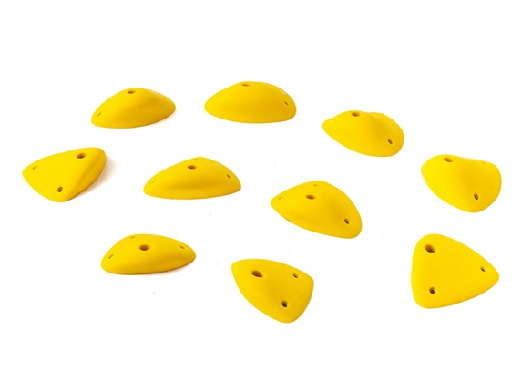 | 10 | RD 30 | $275.00 |  |  |  |  |  |  |  |  |  |  |  |  |  | 0 | $0.00
XXL Pinch Fins | 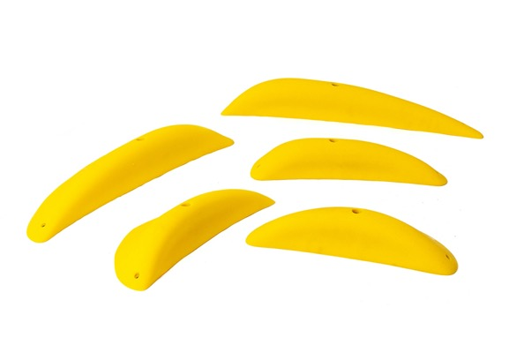 | 5 | RD 40 | $540.00 |  |  |  |  |  |  |  |  |  |  |  |  |  | 0 | $0.00
Incut Flat Edges | 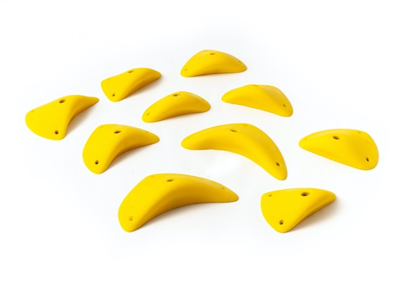 | 10 | RD 50 | $400.00 |  |  |  |  |  |  |  |  |  |  |  |  |  | 0 | $0.00
Medium Positive Edges | 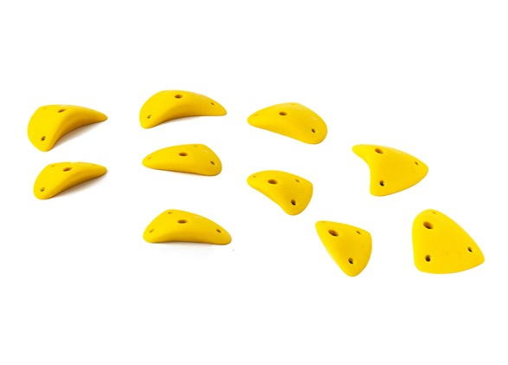 | 10 | RD 60 | $170.00 |  |  |  |  |  |  |  |  |  |  |  |  |  | 0 | $0.00
Small Positive Edges 2 | 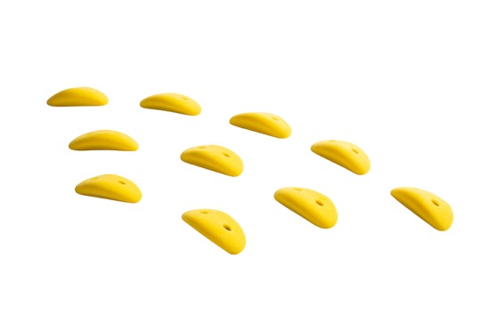 | 10 | RD 61 | $75.00 |  |  |  |  |  |  |  |  |  |  |  |  |  | 0 | $0.00
Small Positive Edges 1 | 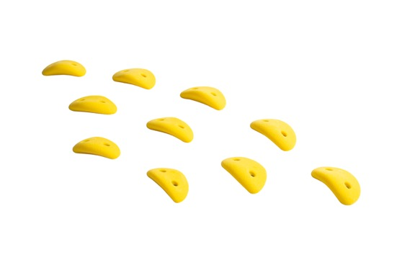 | 10 | RD 62 | $65.00 |  |  |  |  |  |  |  |  |  |  |  |  |  | 0 | $0.00
Crimps 1 | 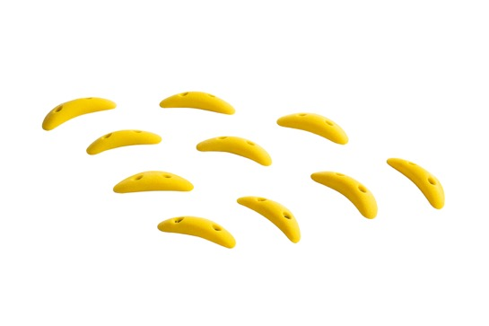 | 10 | RD 64 | $60.00 |  |  |  |  |  |  |  |  |  |  |  |  |  | 0 | $0.00
Crimps 2 | 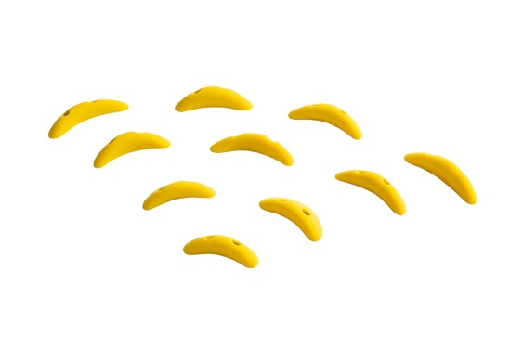 | 10 | RD 63 | $60.00 |  |  |  |  |  |  |  |  |  |  |  |  |  | 0 | $0.00
XXXL Jugs | 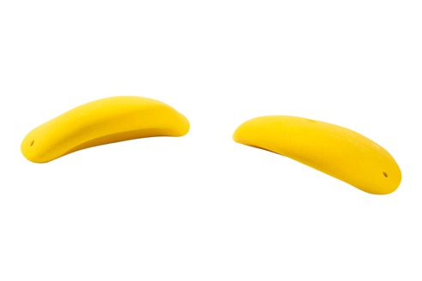 | 2 | RD 74 | $230.00 |  |  |  |  |  |  |  |  |  |  |  |  |  | 0 | $0.00
XXL Jugs | 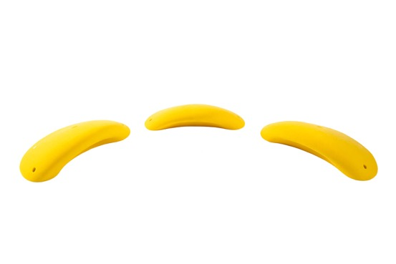 | 3 | RD 73 | $280.00 |  |  |  |  |  |  |  |  |  |  |  |  |  | 0 | $0.00
Open Jugs | 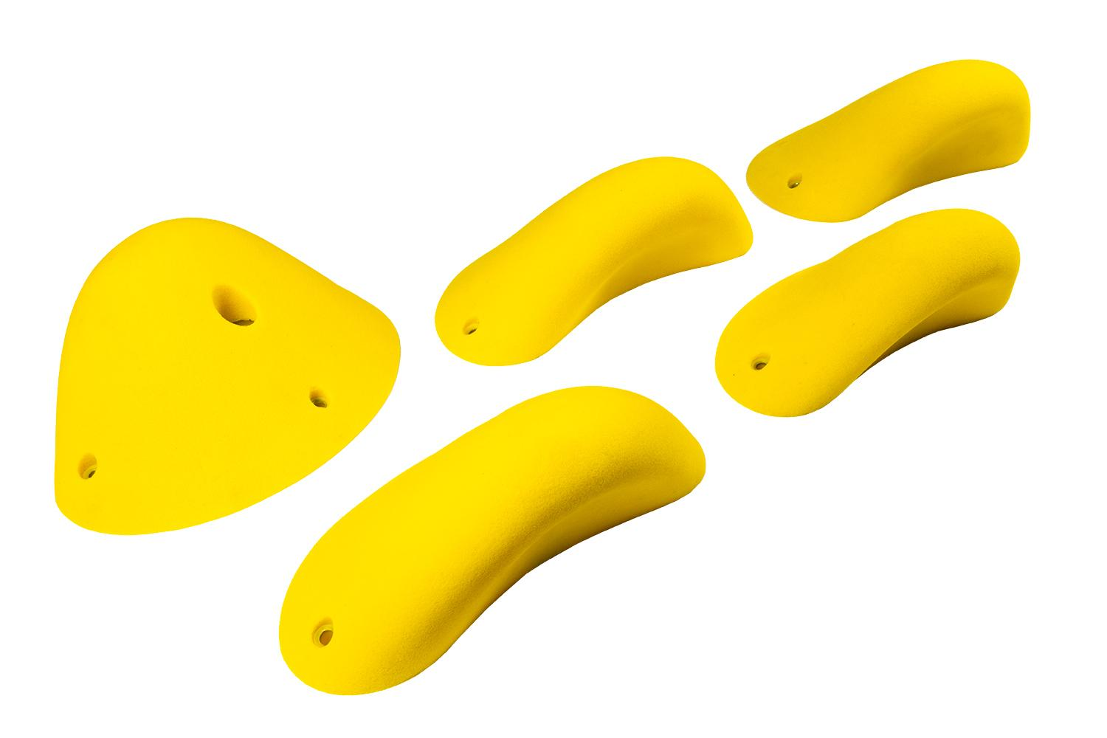 | 5 | RD 72 | $270.00 |  |  |  |  |  |  |  |  |  |  |  |  |  | 0 | $0.00
Roof Jugs | 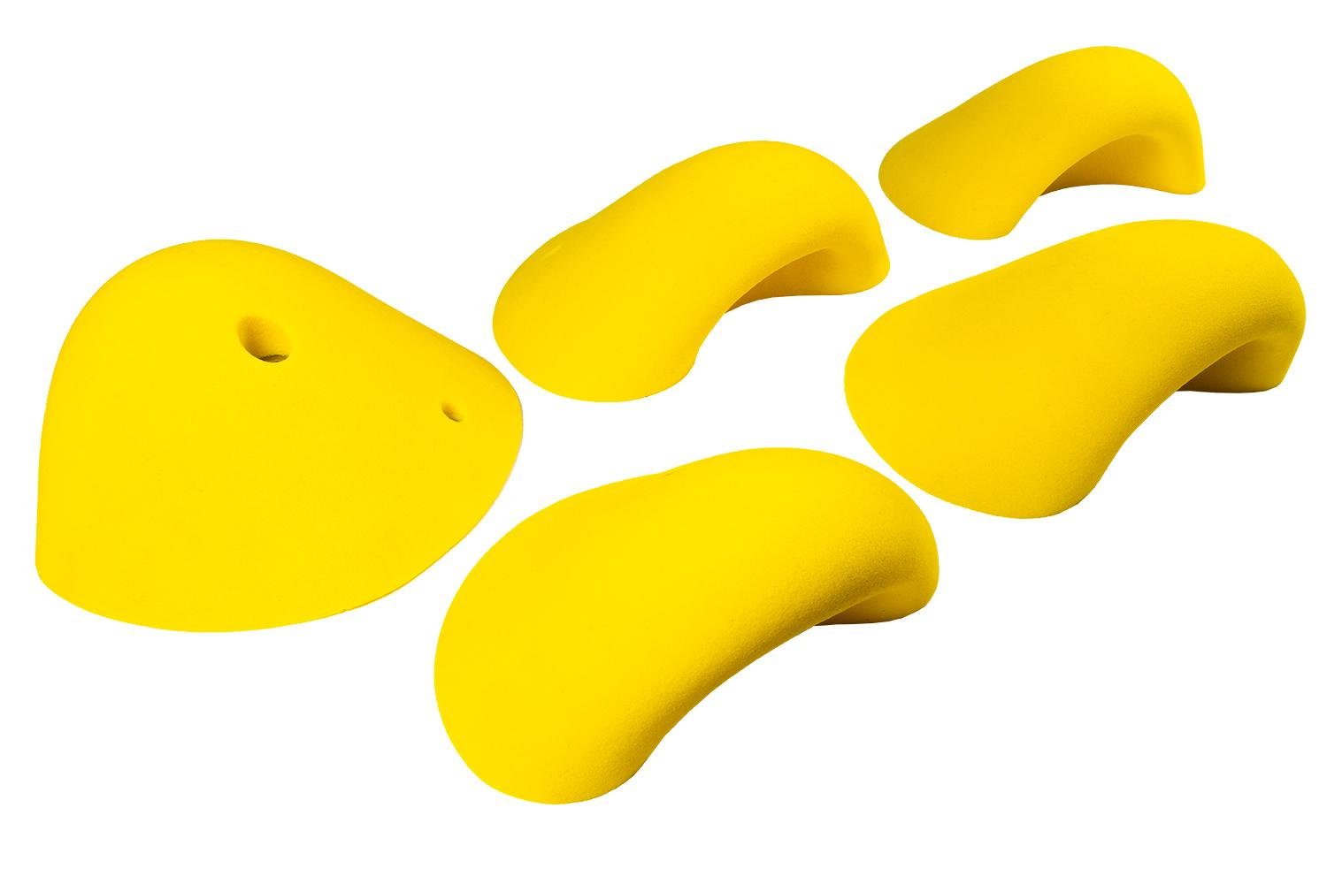 | 5 | RD 71 | $350.00 |  |  |  |  |  |  |  |  |  |  |  |  |  | 0 | $0.00
Rounded Jugs | 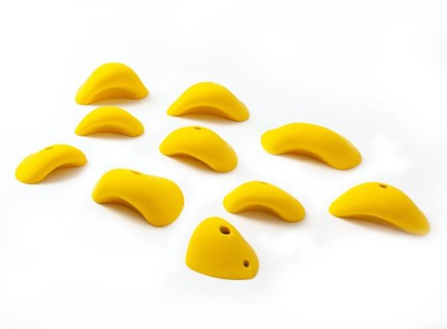 | 10 | RD 70 | $445.00 |  |  |  |  |  |  |  |  |  |  |  |  |  | 0 | $0.00
Mini Jugs 2 | 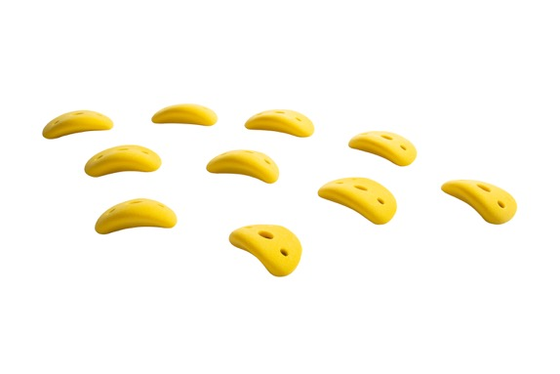 | 10 | RD 51 | $115.00 |  |  |  |  |  |  |  |  |  |  |  |  |  | 0 | $0.00
Mini Jugs 1 | 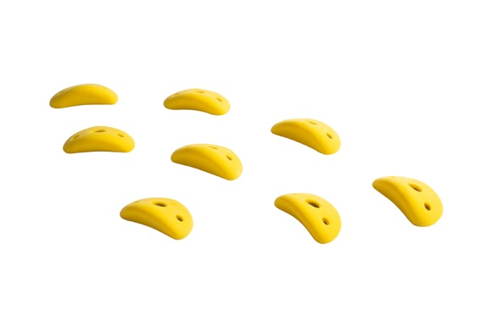 | 8 | RD 52 | $80.00 |  |  |  |  |  |  |  |  |  |  |  |  |  | 0 | $0.00
Good Feet | 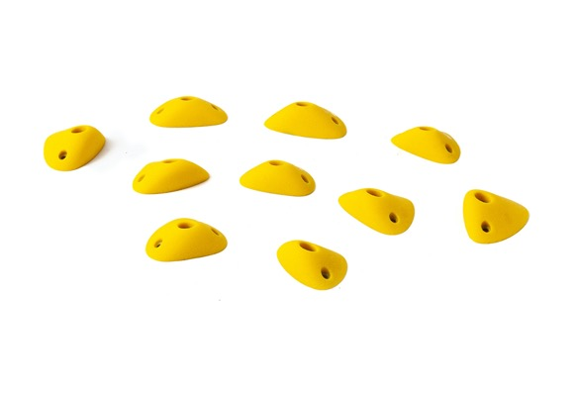 | 10 | RD 80 | $92.50 |  |  |  |  |  |  |  |  |  |  |  |  |  | 0 | $0.00
Bad Feet | 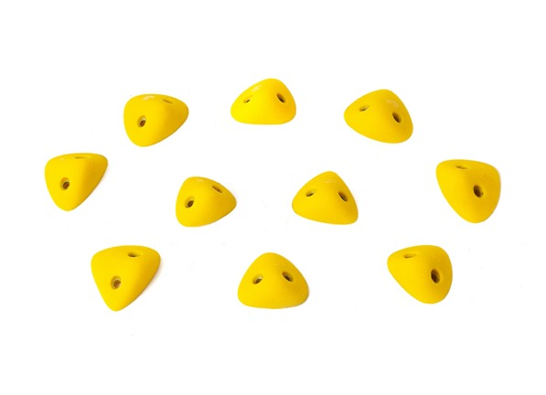 | 10 | RD 90 | $60.00 |  |  |  |  |  |  |  |  |  |  |  |  |  | 0 | $0.00
Bad Feet 2 | 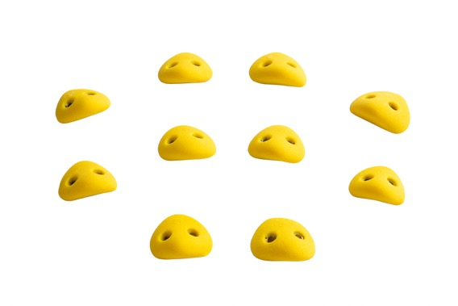 | 10 | RD 85 | $55.00 |  |  |  |  |  |  |  |  |  |  |  |  |  | 0 | $0.00
Extra Bad Feet | 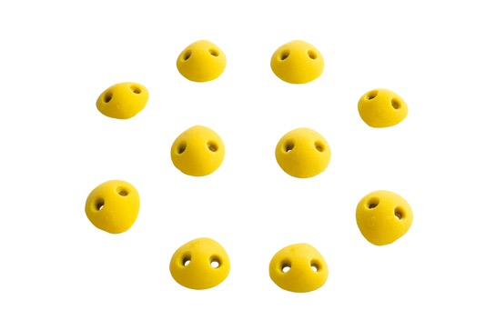 | 10 | RD 97 | $55.00 |  |  |  |  |  |  |  |  |  |  |  |  |  | 0 | $0.00
Pebbles | 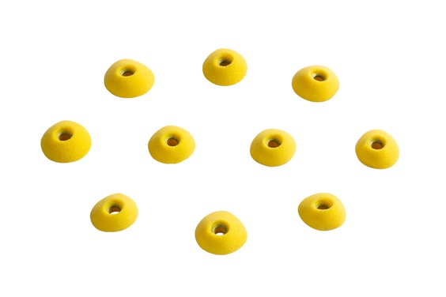 | 10 | RD 99 | $50.00 |  |  |  |  |  |  |  |  |  |  |  |  |  | 0 | $0.00
Jibs | 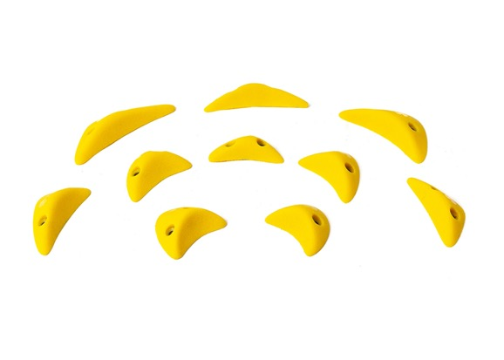 | 10 | RD 95 | $55.00 |  |  |  |  |  |  |  |  |  |  |  |  |  | 0 | $0.00
Totals |  | 193 |  | $5,022.50 | 0 | 0 | 0 | 0 | 0 | 0 | 0 | 0 | 0 | 0 | 0 | 0 | 0 | 0 | $0.00

THE DROP FIBERGLASS
SKU Code | Photo | Price | Yellow | Red | Blue | Black | Fluo Or. | Burnt Or. | Fluo Gr. | Green | D. Green | Fluo Pi. | Violet | Purple | White | Quantity | Total ex.
THE DROP FIBERGLASS
F.1.1 | 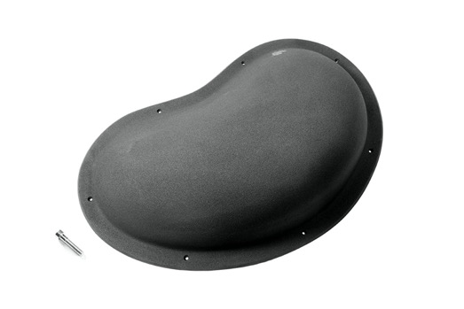 | $260.00 |  |  |  |  |  |  |  |  |  |  |  |  |  | 0 | $0.00
F.1.2 | 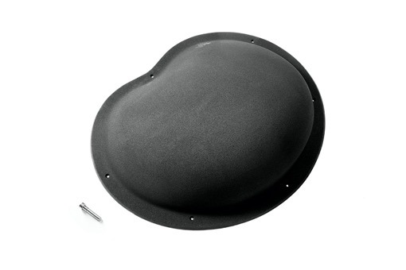 | $270.00 |  |  |  |  |  |  |  |  |  |  |  |  |  | 0 | $0.00
F.1.3 | 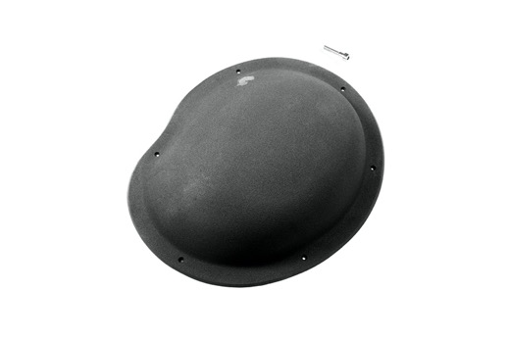 | $235.00 |  |  |  |  |  |  |  |  |  |  |  |  |  | 0 | $0.00
F.1.4 | 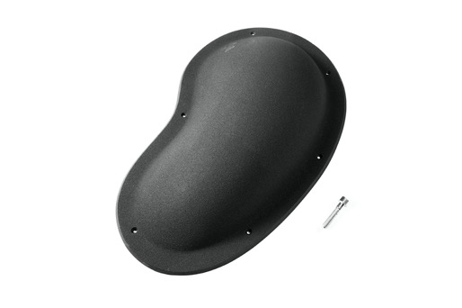 | $230.00 |  |  |  |  |  |  |  |  |  |  |  |  |  | 0 | $0.00
F.1.5 | 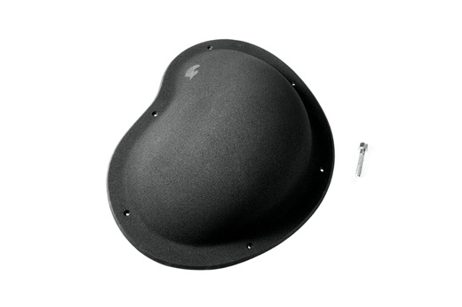 | $230.00 |  |  |  |  |  |  |  |  |  |  |  |  |  | 0 | $0.00
F.2.1 | 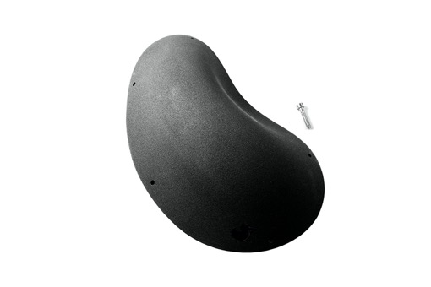 | $250.00 |  |  |  |  |  |  |  |  |  |  |  |  |  | 0 | $0.00
F.2.2 | 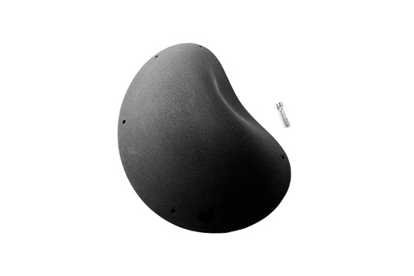 | $255.00 |  |  |  |  |  |  |  |  |  |  |  |  |  | 0 | $0.00
F.2.3 |  | $255.00 |  |  |  |  |  |  |  |  |  |  |  |  |  | 0 | $0.00
F.2.4 |  | $285.00 |  |  |  |  |  |  |  |  |  |  |  |  |  | 0 | $0.00
F.2.5 |  | $285.00 |  |  |  |  |  |  |  |  |  |  |  |  |  | 0 | $0.00
F.3.1 |  | $305.00 |  |  |  |  |  |  |  |  |  |  |  |  |  | 0 | $0.00
F.3.2 |  | $230.00 |  |  |  |  |  |  |  |  |  |  |  |  |  | 0 | $0.00
F.3.3 |  | $230.00 |  |  |  |  |  |  |  |  |  |  |  |  |  | 0 | $0.00
F.3.4 |  | $230.00 |  |  |  |  |  |  |  |  |  |  |  |  |  | 0 | $0.00
F.3.5 |  | $230.00 |  |  |  |  |  |  |  |  |  |  |  |  |  | 0 | $0.00
F.3.6 |  | $230.00 |  |  |  |  |  |  |  |  |  |  |  |  |  | 0 | $0.00
F.4.1 |  | $300.00 |  |  |  |  |  |  |  |  |  |  |  |  |  | 0 | $0.00
F.4.2 |  | $600.00 |  |  |  |  |  |  |  |  |  |  |  |  |  | 0 | $0.00
F.4.3 |  | $255.00 |  |  |  |  |  |  |  |  |  |  |  |  |  | 0 | $0.00
F.4.4 |  | $285.00 |  |  |  |  |  |  |  |  |  |  |  |  |  | 0 | $0.00
F.4.5 |  | $260.00 |  |  |  |  |  |  |  |  |  |  |  |  |  | 0 | $0.00
F.5.1 |  | $290.00 |  |  |  |  |  |  |  |  |  |  |  |  |  | 0 | $0.00
F.5.2 |  | $280.00 |  |  |  |  |  |  |  |  |  |  |  |  |  | 0 | $0.00
F.5.3 |  | $255.00 |  |  |  |  |  |  |  |  |  |  |  |  |  | 0 | $0.00
F.5.4 |  | $255.00 |  |  |  |  |  |  |  |  |  |  |  |  |  | 0 | $0.00
F.5.5 |  | $595.00 |  |  |  |  |  |  |  |  |  |  |  |  |  | 0 | $0.00
Totals |  | $7,385.00 | 0 | 0 | 0 | 0 | 0 | 0 | 0 | 0 | 0 | 0 | 0 | 0 | 0 | 0 | $0.00

